Test case template
Център за обучение по софтуерно тестване Website: http://skillo-bg.com

Bug ID | OSB-001
Name | "Sale 25% Off" banner leads to another website
Priority | P2
Severity | S2
Description | Products are not available Reproduced on 25.05.2019 10:00 AM +3 EEST
Steps to reproduce | 1.Open url homepage 2.Click "Sale 25% Off" banner Expected result: Products are available Actual result: User is redirected to another website.
Attachment | 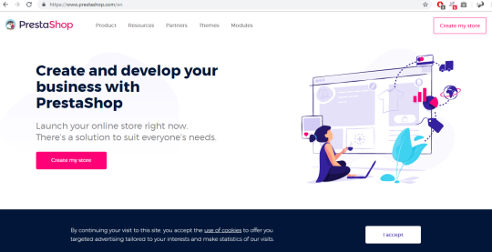 Date created: 27.05.2019
Status | To do
Component | Web banner
Version/Build number (Found in) | ver.1.05
Environment | windows, chrome, firefox, opera, IE
Comments
Date Created | 2019-05-25
Author | O.Kovachev
Audit Log

